Sheet1
3.4 Validation error Central -> Terminal |  |  |  | 2020-01-27

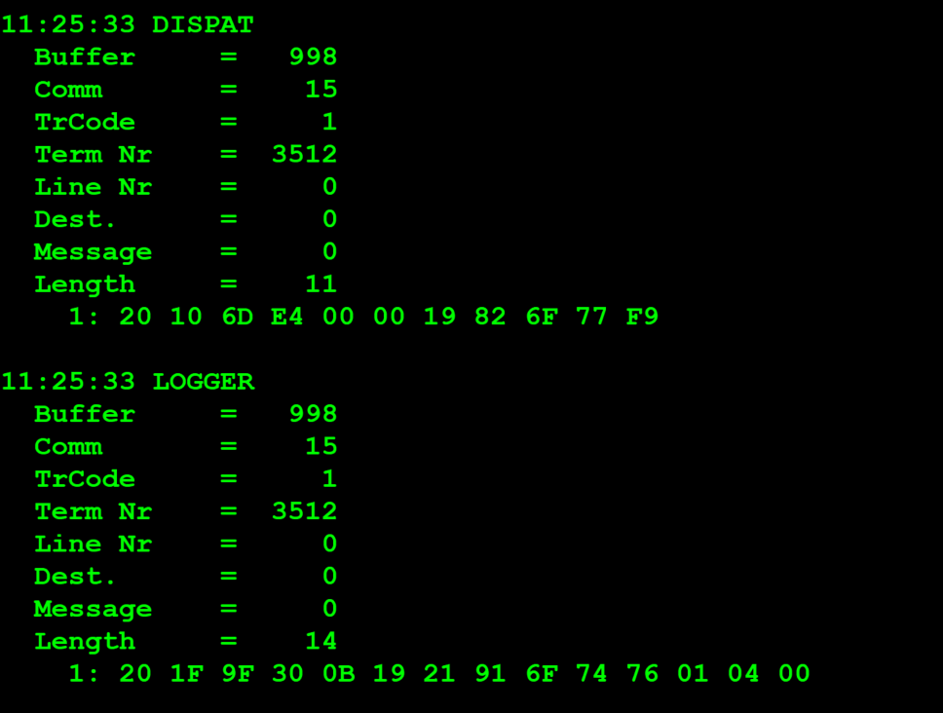
TestByte |  | Size | Field Contents |  | Hexadecimal | Binario | Decimal
Start | End
1 | 1 | 1 | Control | Sequence | 2A | Control=0010 Sequence=1010 | 2 10 | Control -> x10 - Application Message Sequence ->
2 | 2 | 1 | Type = 1 | Subtype = see below | 10 | Type=0001 Subtype=0000 | Type=1 Subtype=0 | Type = 3 Subtype = 0 (Regular)
3 | 4 | 2 | Checksum |  | 6D E4
5 | 5 | 1 | Statistics (see below) |  | 00 |  | 0 | 0 ->Manual Entry
6 | 7 | 2 | Wager Julian Date |  | 00 19 |  | 25
8 | 10 | 3 | Wager Serial Number |  | 82 6F 77 |  | 8548215 | 8 digitos
11 | 11 | 1 | Wager Check Digits |  | F9 |  | 249 | 3 digitos

Subtype:

0 | = | Regular
1 | = | Mid-tier Cash (currently used by the middleware that processes prizes payments for the web portal)
2 | = | Claim (not used anymore)
3 | = | Validation Detail (not used anymore)
7 | = | New Validation Inquiry Mid Tier
8 | = | New Validation Inquiry Cash Payment Accepted
9 | = | New Validation Inquiry Bank Transfer Accepted

Mid-tier subtype: Terminal sends subtype 1 only if central responded to a previous cash attempt with a subtype 1. This is only sent if an agent verifies he can cash the ticket.

Statistics Flags:

x00 | = | Manual Entry
x40 | = | Reader Entry
3.4 Validation error Central -> Terminal
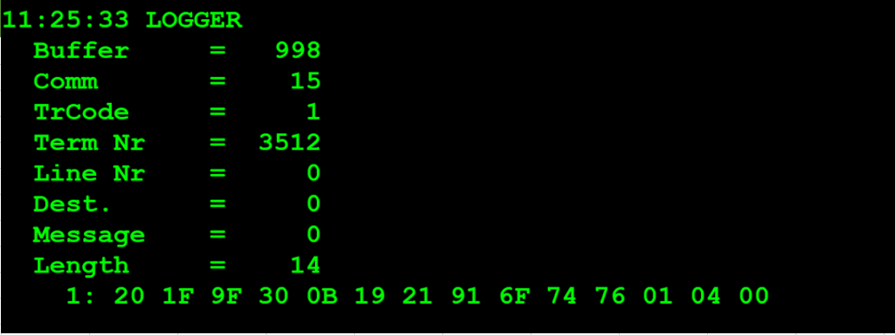
TestByte |  | Size | Field Contents |  | Hexadecimal | Binario | Decimal
Start | End
1 | 1 | 1 | Control | Sequence | 20 | Control=0010 Sequence=0000 | 2 0 | Control -> x10 - Application Message Sequence -> 0
2 | 2 | 1 | Type = 1 | Subtype = F | 1F | Type=0001 Subtype=1111 | Type=1 Subtype=15 | Type = 3 Subtype = 15 (Error)
3 | 4 | 2 | Checksum |  | 9F 30
5 | 7 | 3 | Time |  | 0B 19 21 |  | 11:25:33 | HH:MM:SS
8 | 10 | 3 | Validation Serial Number |  | 91 6F 74
11 | 11 | 1 | Validation Check Digits |  | 76
12 | 12 | 1 | Game Type |  | 01 |  | 1 | LOTO
13 | 13 | 1 | Game Index |  | 04 |  | 4 | TOTOLOTO QUARTA
14 | 14 | 1 | Validation Status |  | 00 |  |  | 0

Validation Status:

Hex | Dec |  | Terminal Text
x00 | 0 | = | "NO RESULTS YET OR Not a Winner"
x01 | 1 | = | "Results Not CONFIRMED"
x02 | 2 | = | "NO SUCH TICKET" — i.e. invalid serial no.
x03 | 3 | = | "Can't Pay Yet"
x04 | 4 | = | "Already Cashed"
x07 | 7 | = | Reserved for future bank payment
x09 | 9 | = | "CAsh at Lottery"
x0E | 14 | = | Reserved for future bank payment
x12 | 18 | = | "No details available"
x1e | 30 | = | "Winner Holding LIMIT"
x1F | 31 | = | “NO RESULTS YET”

Status values other than these are treated as status = 0.

